ARMANI 2019 (Underwear)
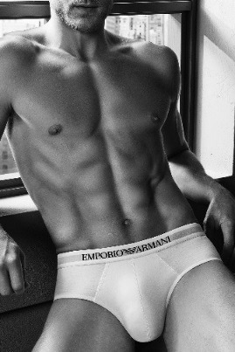
ARMANI Underwear |  |  |  |  |  |  |  | 2019
Style | Fabric | Color | Photos | Item Description | Size | BarCode | PRICE | Order TOT
110824 | CS722 |  | MANCA FOTO | UNDERWEAR SET KNITWEAR | S | BAR CODE | € 15.40
BLK/WHITE/GREY |  |  |  | UNDERWEAR SET KNITWEAR | M | BAR CODE
 |  |  |  | UNDERWEAR SET KNITWEAR | L | BAR CODE
 |  |  |  | UNDERWEAR SET KNITWEAR | XL | BAR CODE
 |  |  |  | UNDERWEAR SET KNITWEAR | XXL | BAR CODE
 |  |  |  |  |  |  | € - | 0
110824 | CS722 |  |  MANCA FOTO | UNDERWEAR SET KNITWEAR | S | BAR CODE | € 15.40
BLK / BLK / BLK |  |  |  | UNDERWEAR SET KNITWEAR | M | BAR CODE
 |  |  |  | UNDERWEAR SET KNITWEAR | L | BAR CODE
 |  |  |  | UNDERWEAR SET KNITWEAR | XL | BAR CODE
 |  |  |  | UNDERWEAR SET KNITWEAR | XXL | BAR CODE
 |  |  |  |  |  |  | € - | 0
111610 | CS722 |  | 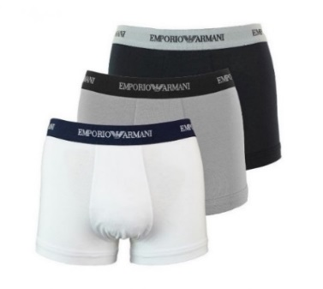 MANCA FOTO | UNDERWEAR SET KNITWEAR | S | BAR CODE | € 17.40
BLK/WHITE/GREY |  |  |  | UNDERWEAR SET KNITWEAR | M | BAR CODE
 |  |  |  | UNDERWEAR SET KNITWEAR | L | BAR CODE
 |  |  |  | UNDERWEAR SET KNITWEAR | XL | BAR CODE
 |  |  |  | UNDERWEAR SET KNITWEAR | XXL | BAR CODE
 |  |  |  |  |  |  | € - | 0
111610 | CS722 |  | 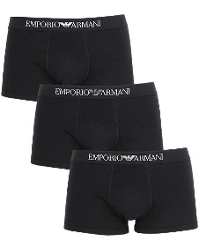 MANCA FOTO | UNDERWEAR SET KNITWEAR | S | BAR CODE | € 17.40
BLK / BLK / BLK |  |  |  | UNDERWEAR SET KNITWEAR | M | BAR CODE
 |  |  |  | UNDERWEAR SET KNITWEAR | L | BAR CODE
 |  |  |  | UNDERWEAR SET KNITWEAR | XL | BAR CODE
 |  |  |  | UNDERWEAR SET KNITWEAR | XXL | BAR CODE
 |  |  |  |  |  |  | € - | 0
 |  |  |  |  |  |  | € - | 0

ARMANI 2019 (T-shirt)
ARMANI Underwear - |  |  |  |  |  |  |  | 2019
Style | Fabric | Color | Photos | Item Description | Size | BarCode | CIP | Order TOT
111267 | CC715 | 04710 | 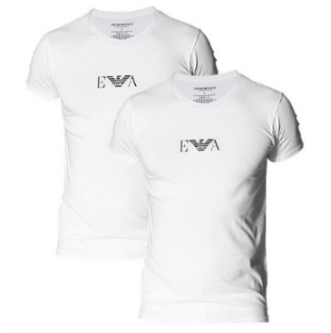 | MENS KNIT 2PACK T | S | BAR CODE | € 19.50
white/ white |  |  |  | MENS KNIT 2PACK T | L | BAR CODE
 |  |  |  | MENS KNIT 2PACK T | M | BAR CODE
 |  |  |  | MENS KNIT 2PACK T | XL | BAR CODE
 |  |  |  |  |  |  | € - | 0
111267 | CC715 | 07320 | 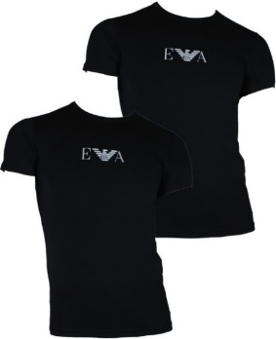 | MENS KNIT 2PACK T | S | BAR CODE | € 19.50
black / black |  |  |  | MENS KNIT 2PACK T | M | BAR CODE
 |  |  |  | MENS KNIT 2PACK T | L | BAR CODE
 |  |  |  | MENS KNIT 2PACK T | XL | BAR CODE
 |  |  |  |  |  |  | € - | 0
111267 | CC717 | 10410 | 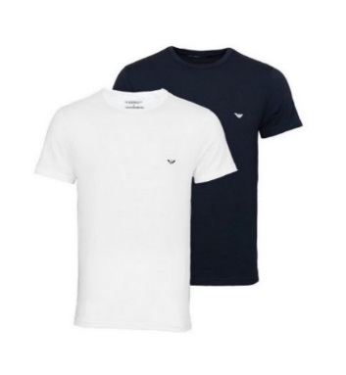 | MENS KNIT 2PACK T | S | BAR CODE | € 19.50
black / white |  |  |  | MENS KNIT 2PACK T | M | BAR CODE
 |  |  |  | MENS KNIT 2PACK T | L | BAR CODE
 |  |  |  | MENS KNIT 2PACK T | XL | BAR CODE
 |  |  |  |  |  |  | € - | 0
 |  |  |  |  |  | TOT. | € - | 0

